Sheet1
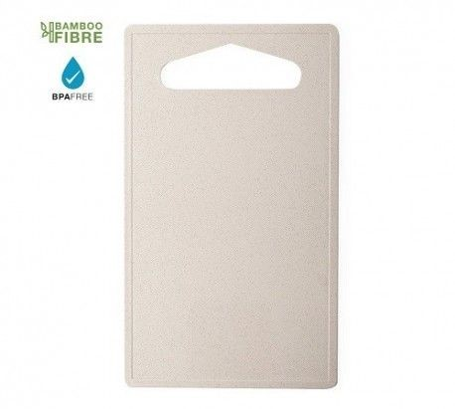
Picture | Item code | Description | Extra information | Restriction | Stock | Sales price EXW | Retail price | Barcode | Quantity PU | Quantity pallet | Pallet | Origin | Customs code | Item weight | Languages on package | Group
 | S-10155 | cutting board FANIN natural 14x23.8x0.4 cm | 6377013000 | no sales in europe | 25539 | 0.29 |  |  | 150 |  | Chep pallet 120x100 | CN | 39241000 | 76 |  | cutting board FANIN natural 14x23.8x0.4 cm

